S Str&Pad
ASEAN |  |  | perc_baseline |  | perc_target |  | RR_d | RR_i | perc_fatal_side | perc_nonfatal_side |  |  |  | lcl_bl_deaths | lcl_bl_nonfatal |  | affected_deaths | rest_deaths | affected_deaths= affected_deaths* (1 - `prop_target'*(1-`RR_d'))/(1 - `prop_baseline'*(1-`RR_d'))
REG | TECHNOLOGY |  | CURRENT AVAILABILITY | INTERVENTION | COUNTERFACTUAL USE | Affected Groups | RELATIVE RISK (death) | RELATIVE RISK (injury) | PROP. OF SIDE CRASHES (death) | PROP OF SIDE CRASHES (injuries) | POPULATION AFFECTED |  |  | BASELINE DEATHS | BASELINE INJURIES | AFFECTED GROUP | AFFECTED DEATHS |  | INTERVENTION
UN 95, UN 135 | SIDE STR&PADD |  | 0 | SIDE STRUCTURE IN ALL CAR, TRUCK, BUS | 1 | Occupants | 0.79 | 0.79 | 0.25 | 0.337
 |  |  |  |  |  |  |  |  |  |  | Cause | Sex | Age | Deaths | Injuries | NO=0 / YES=1 | Deaths | Deaths | Deaths
 |  |  |  |  |  |  |  |  |  |  | Pedestrian | Male | <5 years | 297 | 1355 | 0 | 296.52 | 0.00 | 297
 |  |  |  |  |  |  |  |  |  |  | Pedestrian | Male | 5-9 years | 529 | 7608 | 0 | 528.66 | 0.00 | 529
 |  |  |  |  |  |  |  |  |  |  | Pedestrian | Male | 10-14 years | 561 | 20171 | 0 | 561.39 | 0.00 | 561
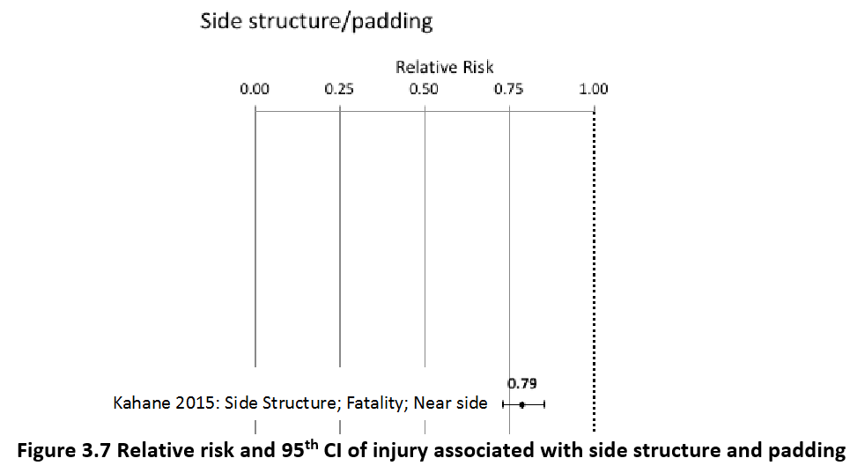
 |  |  |  |  |  |  |  |  |  |  | Pedestrian | Male | 15-19 years | 857 | 42034 | 0 | 856.79 | 0.00 | 857
 |  |  |  |  |  |  |  |  |  |  | Pedestrian | Male | 20-24 years | 1089 | 56625 | 0 | 1088.94 | 0.00 | 1089
 |  |  |  |  |  |  |  |  |  |  | Pedestrian | Male | 25-29 years | 782 | 53415 | 0 | 782.06 | 0.00 | 782
 |  |  |  |  |  |  |  |  |  |  | Pedestrian | Male | 30-34 years | 903 | 44911 | 0 | 902.55 | 0.00 | 903
 |  |  |  |  |  |  |  |  |  |  | Pedestrian | Male | 35-39 years | 860 | 40626 | 0 | 860.26 | 0.00 | 860
 |  |  |  |  |  |  |  |  |  |  | Pedestrian | Male | 40-44 years | 889 | 37047 | 0 | 888.90 | 0.00 | 889
 |  |  |  |  |  |  |  |  |  |  | Pedestrian | Male | 45-49 years | 1176 | 33415 | 0 | 1175.80 | 0.00 | 1176
 |  |  |  |  |  |  |  |  |  |  | Pedestrian | Male | 50-54 years | 1392 | 29334 | 0 | 1392.16 | 0.00 | 1392
 |  |  |  |  |  |  |  |  |  |  | Pedestrian | Male | 55-59 years | 1315 | 25388 | 0 | 1314.78 | 0.00 | 1315
 |  |  |  |  |  |  |  |  |  |  | Pedestrian | Male | 60-64 years | 1483 | 18729 | 0 | 1483.28 | 0.00 | 1483
 |  |  |  |  |  |  |  |  |  |  | Pedestrian | Male | 65-69 years | 1254 | 10132 | 0 | 1253.76 | 0.00 | 1254
 |  |  |  |  |  |  |  |  |  |  | Pedestrian | Male | 70-74 years | 1047 | 6230 | 0 | 1047.16 | 0.00 | 1047
 |  |  |  |  |  |  |  |  |  |  | Pedestrian | Male | 75-79 years | 1125 | 4565 | 0 | 1124.60 | 0.00 | 1125
 |  |  |  |  |  |  |  |  |  |  | Pedestrian | Male | 80-84 years | 738 | 2271 | 0 | 737.73 | 0.00 | 738
 |  |  |  |  |  |  |  |  |  |  | Pedestrian | Male | 85+ | 448 | 801 | 0 | 448.09 | 0.00 | 448
 |  |  |  |  |  |  |  |  |  |  | Pedestrian | Female | <5 years | 168 | 1714 | 0 | 167.73 | 0.00 | 168
 |  |  |  |  |  |  |  |  |  |  | Pedestrian | Female | 5-9 years | 252 | 6298 | 0 | 252.28 | 0.00 | 252
 |  |  |  |  |  |  |  |  |  |  | Pedestrian | Female | 10-14 years | 239 | 15033 | 0 | 238.81 | 0.00 | 239
 |  |  |  |  |  |  |  |  |  |  | Pedestrian | Female | 15-19 years | 401 | 29347 | 0 | 400.76 | 0.00 | 401
 |  |  |  |  |  |  |  |  |  |  | Pedestrian | Female | 20-24 years | 395 | 34386 | 0 | 395.08 | 0.00 | 395
 |  |  |  |  |  |  |  |  |  |  | Pedestrian | Female | 25-29 years | 319 | 26407 | 0 | 318.77 | 0.00 | 319
 |  |  |  |  |  |  |  |  |  |  | Pedestrian | Female | 30-34 years | 346 | 21666 | 0 | 346.19 | 0.00 | 346
 |  |  |  |  |  |  |  |  |  |  | Pedestrian | Female | 35-39 years | 368 | 20446 | 0 | 368.05 | 0.00 | 368
 |  |  |  |  |  |  |  |  |  |  | Pedestrian | Female | 40-44 years | 388 | 17992 | 0 | 388.17 | 0.00 | 388
 |  |  |  |  |  |  |  |  |  |  | Pedestrian | Female | 45-49 years | 527 | 17343 | 0 | 526.80 | 0.00 | 527
 |  |  |  |  |  |  |  |  |  |  | Pedestrian | Female | 50-54 years | 696 | 19737 | 0 | 695.77 | 0.00 | 696
 |  |  |  |  |  |  |  |  |  |  | Pedestrian | Female | 55-59 years | 718 | 21993 | 0 | 717.68 | 0.00 | 718
 |  |  |  |  |  |  |  |  |  |  | Pedestrian | Female | 60-64 years | 889 | 20263 | 0 | 888.84 | 0.00 | 889
 |  |  |  |  |  |  |  |  |  |  | Pedestrian | Female | 65-69 years | 726 | 14601 | 0 | 725.80 | 0.00 | 726
 |  |  |  |  |  |  |  |  |  |  | Pedestrian | Female | 70-74 years | 784 | 10595 | 0 | 784.34 | 0.00 | 784
 |  |  |  |  |  |  |  |  |  |  | Pedestrian | Female | 75-79 years | 752 | 8378 | 0 | 752.15 | 0.00 | 752
 |  |  |  |  |  |  |  |  |  |  | Pedestrian | Female | 80-84 years | 497 | 5882 | 0 | 496.56 | 0.00 | 497
...
ASEAN |  |  | perc_baseline |  | perc_target |  | RR_d | RR_i | perc_fatal_side | perc_nonfatal_side
TOTAL | 108639 | 6201305 | 106702 | 6092391
 |  | Red.Per. | 0.017834481729 | 0.017563100389 |  |  |  |  |  |  | Bicyclist | Male | 50-54 years | 660
 |  |  |  |  |  |  |  |  |  |  | Bicyclist | Male | 55-59 years | 664
SIDE STR&PADD | BASELINE DEATHS | BASELINE INJURIES | SIDE STR&PADD | SIDE STR&PADD |  |  |  |  |  |  | Bicyclist | Male | 60-64 years | 663
Pedestrian | 25522 | 730305 | 25522 | 730305 |  |  |  |  |  |  | Bicyclist | Male | 65-69 years | 512
Bicyclist | 6805 | 1398569 | 6805 | 1398569 |  |  |  |  |  |  | Bicyclist | Male | 70-74 years | 327
Motorcyclist | 37480 | 2335587 | 37480 | 2335587 |  |  |  |  |  |  | Bicyclist | Male | 75-79 years | 45
Occupant | 36905 | 1538988 | 34968 | 1430073 |  |  |  |  |  |  | Bicyclist | Male | 80-84 years | 36
Other | 1927 | 197857 | 1927 | 197857 |  |  |  |  |  |  | Bicyclist | Male | 85+ | 48
TOTAL | 108639 | 6201305 | 106702 | 6092391 |  |  |  |  |  |  | Bicyclist | Female | <5 years | 24
Brunei
 | BASELINE DEATHS | SIDE STR&PADD
Pedestrian | 25522 | 25522
Bicyclist | 6805 | 6805
Motorized Two Wheeler | 37480 | 37480
Motorized Three Wheeler | 0 | 0
Car | 36905 | 34968
Bus | 0 | 0
Truck | 0 | 0
Other | 1927 | 1927
 |  |  |  |  |  |  |  |  |  |  | Bicyclist | Female | 5-9 years | 33
Brunei
 | BASELINE INJURIES | SIDE STR&PADD
Pedestrian | 730305 | 730305
Bicyclist | 1398569 | 1398569
Motorized Two Wheeler | 2335587 | 2335587
Motorized Three Wheeler | 0 | 0
Car | 1538988 | 1430073
Bus | 0 | 0
Truck | 0 | 0
Other | 197857 | 197857
 |  |  |  |  |  |  |  |  |  |  | Bicyclist | Female | 10-14 years | 32
 |  |  |  |  |  |  |  |  |  |  | Bicyclist | Female | 15-19 years | 54
 |  |  |  |  |  |  |  |  |  |  | Bicyclist | Female | 20-24 years | 54
 |  |  |  |  |  |  |  |  |  |  | Bicyclist | Female | 25-29 years | 50
 |  |  |  |  |  |  |  |  |  |  | Bicyclist | Female | 30-34 years | 74
 |  |  |  |  |  |  |  |  |  |  | Bicyclist | Female | 35-39 years | 69
 |  |  |  |  |  |  |  |  |  |  | Bicyclist | Female | 40-44 years | 81
 |  |  |  |  |  |  |  |  |  |  | Bicyclist | Female | 45-49 years | 92
 |  |  |  |  |  |  |  |  |  |  | Bicyclist | Female | 50-54 years | 112
 |  |  |  |  |  |  |  |  |  |  | Bicyclist | Female | 55-59 years | 117
 |  |  |  |  |  |  |  |  |  |  | Bicyclist | Female | 60-64 years | 116
 |  |  |  |  |  |  |  |  |  |  | Bicyclist | Female | 65-69 years | 109
 |  |  |  |  |  |  |  |  |  |  | Bicyclist | Female | 70-74 years | 84
 |  |  |  |  |  |  |  |  |  |  | Bicyclist | Female | 75-79 years | 16
 |  |  |  |  |  |  |  |  |  |  | Bicyclist | Female | 80-84 years | 17
 |  |  |  |  |  |  |  |  |  |  | Bicyclist | Female | 85+ | 27
 |  |  |  |  |  |  |  |  |  |  | Motorized Two Wheeler | Male | <5 years | 263
 |  |  |  |  |  |  |  |  |  |  | Motorized Two Wheeler | Male | 5-9 years | 326
 |  |  |  |  |  |  |  |  |  |  | Motorized Two Wheeler | Male | 10-14 years | 624
 |  |  |  |  |  |  |  |  |  |  | Motorized Two Wheeler | Male | 15-19 years | 4748
Brunei
Brunei
 |  |  |  |  |  |  |  |  |  |  | Motorized Two Wheeler | Male | 20-24 years | 5761
 |  |  |  |  |  |  |  |  |  |  | Motorized Two Wheeler | Male | 25-29 years | 4067
 |  |  |  |  |  |  |  |  |  |  | Motorized Two Wheeler | Male | 30-34 years | 2883
 |  |  |  |  |  |  |  |  |  |  | Motorized Two Wheeler | Male | 35-39 years | 2640
 |  |  |  |  |  |  |  |  |  |  | Motorized Two Wheeler | Male | 40-44 years | 2551
 |  |  |  |  |  |  |  |  |  |  | Motorized Two Wheeler | Male | 45-49 years | 2299
 |  |  |  |  |  |  |  |  |  |  | Motorized Two Wheeler | Male | 50-54 years | 2080
 |  |  |  |  |  |  |  |  |  |  | Motorized Two Wheeler | Male | 55-59 years | 1881
 |  |  |  |  |  |  |  |  |  |  | Motorized Two Wheeler | Male | 60-64 years | 959
 |  |  |  |  |  |  |  |  |  |  | Motorized Two Wheeler | Male | 65-69 years | 735
 |  |  |  |  |  |  |  |  |  |  | Motorized Two Wheeler | Male | 70-74 years | 462
 |  |  |  |  |  |  |  |  |  |  | Motorized Two Wheeler | Male | 75-79 years | 210
 |  |  |  |  |  |  |  |  |  |  | Motorized Two Wheeler | Male | 80-84 years | 134
 |  |  |  |  |  |  |  |  |  |  | Motorized Two Wheeler | Male | 85+ | 94
 |  |  |  |  |  |  |  |  |  |  | Motorized Two Wheeler | Female | <5 years | 78
 |  |  |  |  |  |  |  |  |  |  | Motorized Two Wheeler | Female | 5-9 years | 117
 |  |  |  |  |  |  |  |  |  |  | Motorized Two Wheeler | Female | 10-14 years | 162
 |  |  |  |  |  |  |  |  |  |  | Motorized Two Wheeler | Female | 15-19 years | 565
 |  |  |  |  |  |  |  |  |  |  | Motorized Two Wheeler | Female | 20-24 years | 533
 |  |  |  |  |  |  |  |  |  |  | Motorized Two Wheeler | Female | 25-29 years | 400
 |  |  |  |  |  |  |  |  |  |  | Motorized Two Wheeler | Female | 30-34 years | 316
 |  |  |  |  |  |  |  |  |  |  | Motorized Two Wheeler | Female | 35-39 years | 313
 |  |  |  |  |  |  |  |  |  |  | Motorized Two Wheeler | Female | 40-44 years | 360
 |  |  |  |  |  |  |  |  |  |  | Motorized Two Wheeler | Female | 45-49 years | 438
 |  |  |  |  |  |  |  |  |  |  | Motorized Two Wheeler | Female | 50-54 years | 426
 |  |  |  |  |  |  |  |  |  |  | Motorized Two Wheeler | Female | 55-59 years | 422
 |  |  |  |  |  |  |  |  |  |  | Motorized Two Wheeler | Female | 60-64 years | 190
 |  |  |  |  |  |  |  |  |  |  | Motorized Two Wheeler | Female | 65-69 years | 161
 |  |  |  |  |  |  |  |  |  |  | Motorized Two Wheeler | Female | 70-74 years | 122
 |  |  |  |  |  |  |  |  |  |  | Motorized Two Wheeler | Female | 75-79 years | 55
 |  |  |  |  |  |  |  |  |  |  | Motorized Two Wheeler | Female | 80-84 years | 43
...

